Strategy Analysis
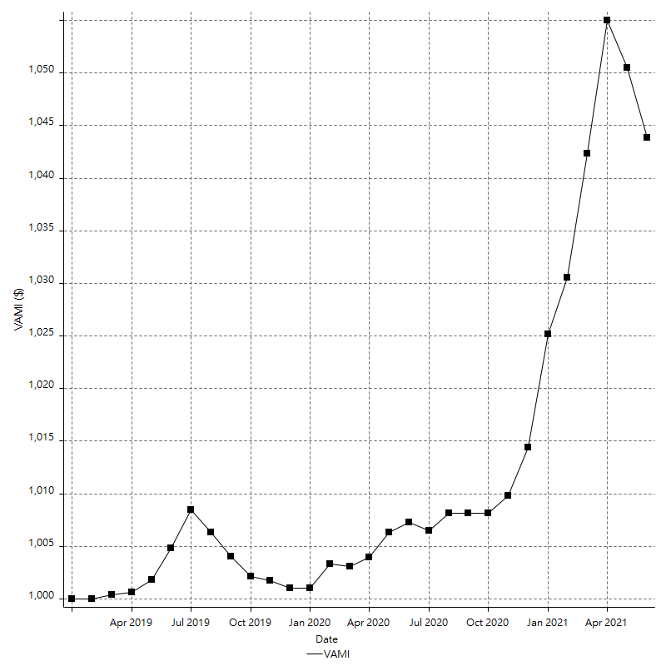
Strategy Performance Summary

 | All Trades | Long Trades | Short Trades
Net Profit | $43862.93 | $43862.93 | n/a
Gross Profit | $56395.49 | $56395.49 | n/a
Gross Loss | -$12532.56 | -$12532.56 | n/a
Adjusted Net Profit | $13525.70 | $13525.70 | n/a
Adjusted Gross Profit | $31174.66 | $31174.66 | n/a
Adjusted Gross Loss | -$17648.95 | -$17648.95 | n/a
Select Net Profit | $8171.98 | $8171.98 | n/a
Select Gross Profit | $13552.21 | $13552.21 | n/a
Select Gross Loss | -$5380.23 | -$5380.23 | n/a
Account Size Required | $7152.33 | $7152.33 | n/a
Return on Account | 613.27% | 613.27% | n/a
Return on Initial Capital | 4.39% | 4.39% | n/a
Max Strategy Drawdown | -$20010.09 | -$20010.09 | n/a
Max Strategy Drawdown (%) | -188.58% | -188.58% | n/a
Max Close To Close Drawdown | -$7152.33 | -$7152.33 | n/a
Max Close To Close Drawdown (%) | -0.68% | -0.68% | n/a
Return on Max Strategy Drawdown | 2.1920401504 | 2.1920401504 | n/a
Profit Factor | 4.4999180826 | 4.4999180826 | n/a
Adjusted Profit Factor | 1.7663742639 | 1.7663742639 | n/a
Select Profit Factor | 2.5188911737 | 2.5188911737 | n/a
Max # Contracts Held | 1 | 1 | 0
Slippage Paid | $0.00 | $0.00 | $0.00
Commission Paid | $359.44 | $359.44 | n/a
Open Position P/L | $979.70 | $979.70 | n/a
Annual Rate of Return | 1.78% | 1.78% | n/a
Monthly Rate of Return | 0.15% | 0.15% | n/a
Buy & Hold Return | $10167446.13 | $10167446.13 | n/a
Avg Monthly Return | $1494.75 | $1494.75 | $1494.75
Monthly Return StdDev | $4232.22 | $4232.22 | $4232.22
Total # of Trades | 11 | 11 | 0
% Profitable | 45.45% | 45.45% | 0.00%

Performance Ratios

Upside Potential Ratio | n/a
Sharpe Ratio | -0.047564775051
Annualized Sharpe Ratio | -0.16476921408
Sortino Ratio | -0.10261178092
Fouse Ratio | 0.0014605241947
Calmar Ratio | 0.26320975505
Sterling Ratio | 0.0019993764801
RINA Index | 8.6780390586
Net Profit as % of Largest loss | 613.27%
Net Profit as % of Max Trade Drawdown | 617.32%
Net Profit as % of Max Strategy Drawdown | 219.20%
Select Net Profit as % of Largest loss | 114.26%
Select Net Profit as % of Max Trade Drawdown | 115.01%
Select Net Profit as % of Max Strategy Drawdown | 40.84%
Adj Net Profit as % of Largest loss | 189.11%
Adj Net Profit as % of Max Trade Drawdown | 190.36%
Adj Net Profit as % of Max Strategy Drawdown | 67.59%

Time Analysis

Trading Period | 2 Yrs, 5 Mths, 21 Dys
Time in the Market | 1 Yr, 8 Mths, 20 Dys
Percent in the Market | 69.41%
Longest flat period | 1 Mth, 25 Dys
Max Run-up Date | 2021-04-15
Max Drawdown Date | 2021-05-14
Max Strategy Drawdown Date | 2021-06-13
Max Close To Close Drawdown Date | 2021-05-14

Equity Curve Detailed

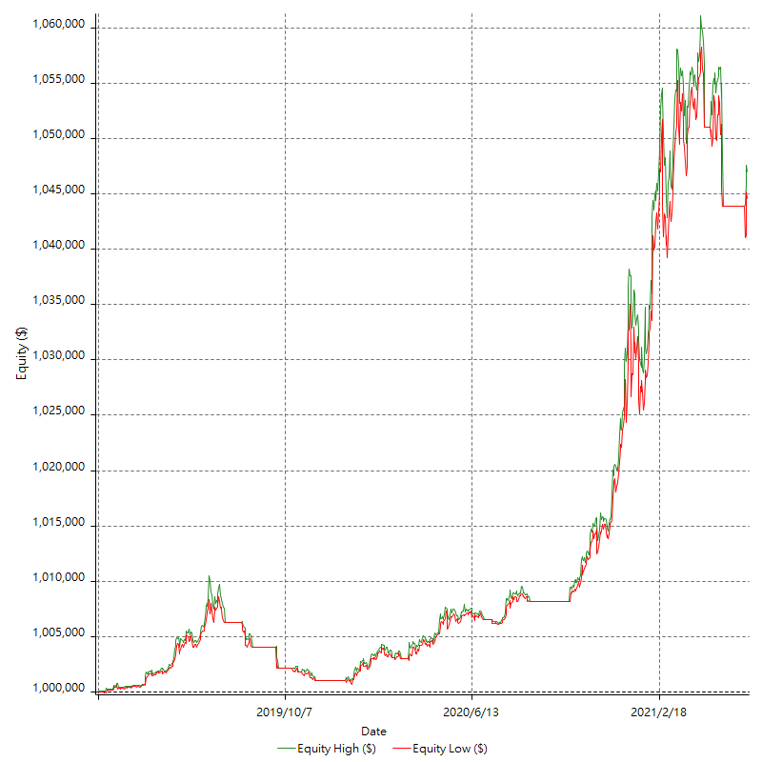

Equity Curve Detailed with DrawDown

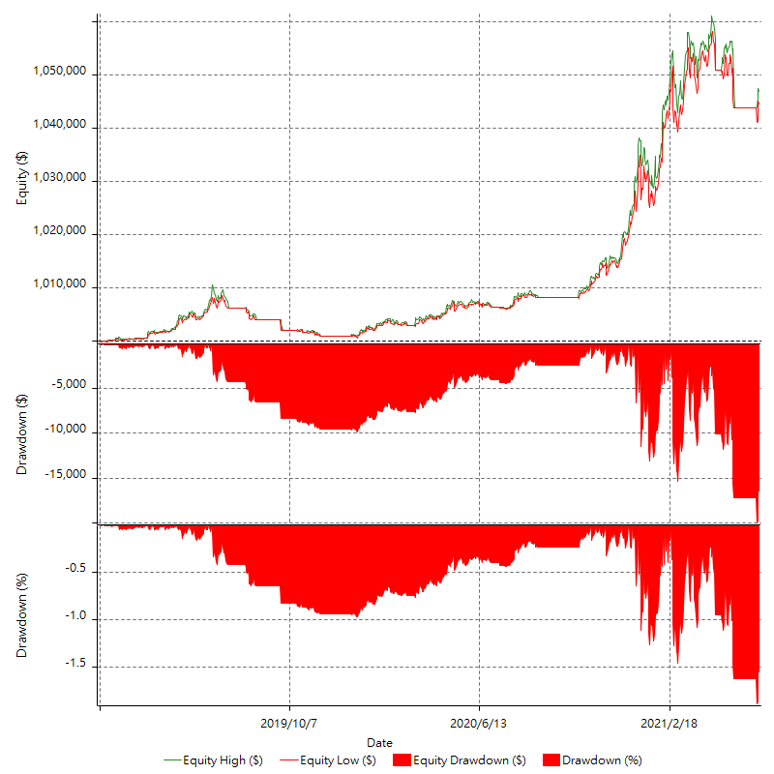

Equity Curve Detailed Long

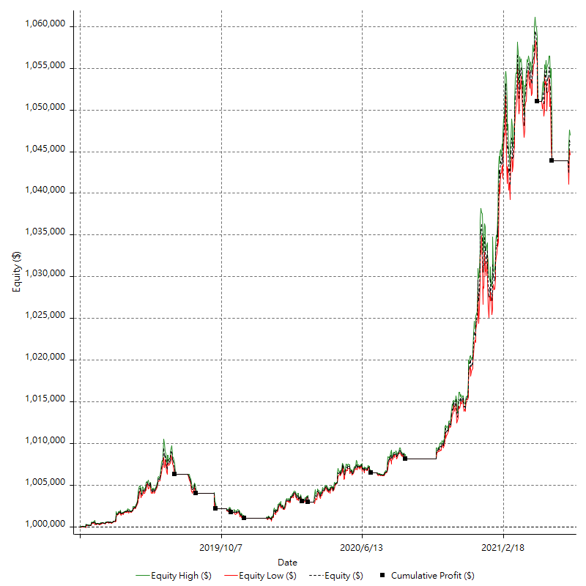

Equity Curve Detailed Short

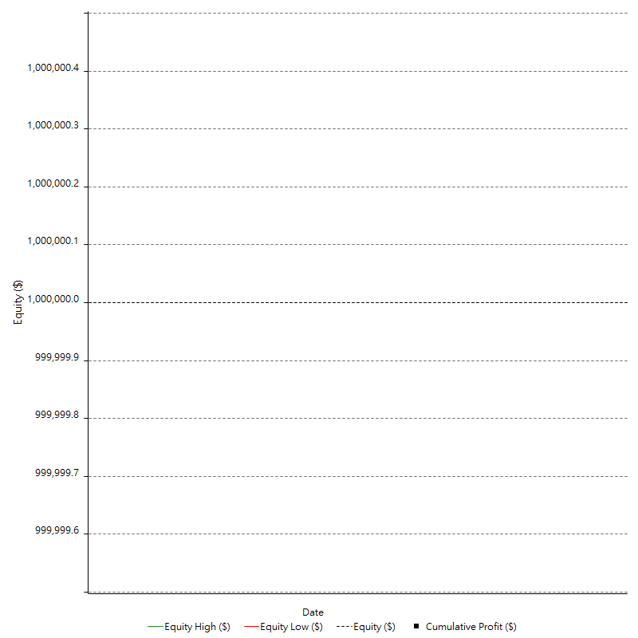

Equity Run-up & Drawdown

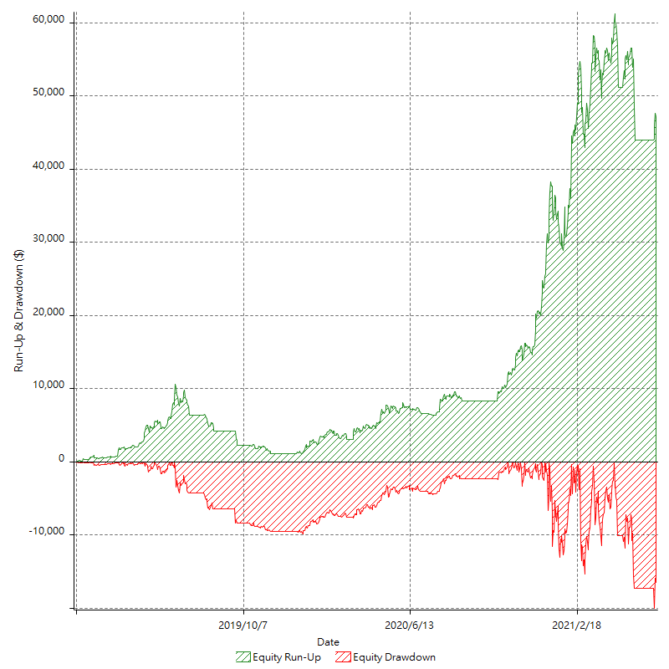

Equity Run-up & Drawdown (%)

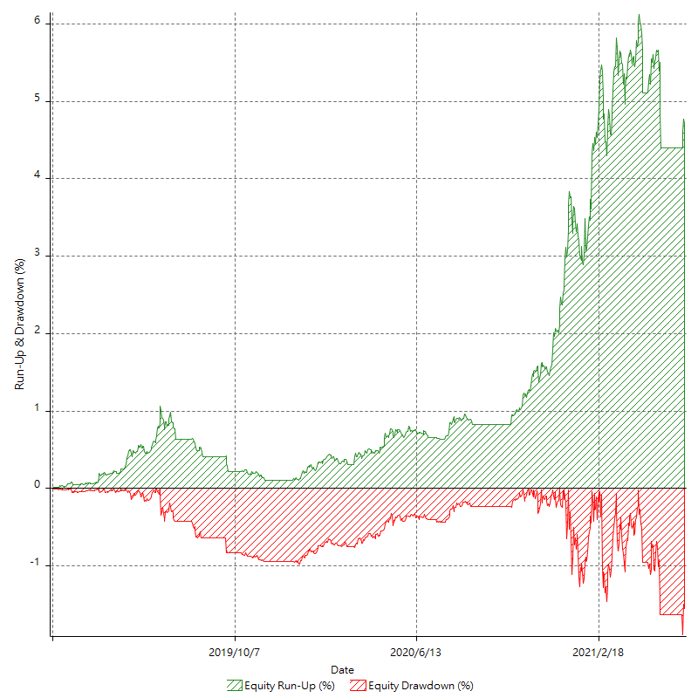

Equity Curve Close To Close

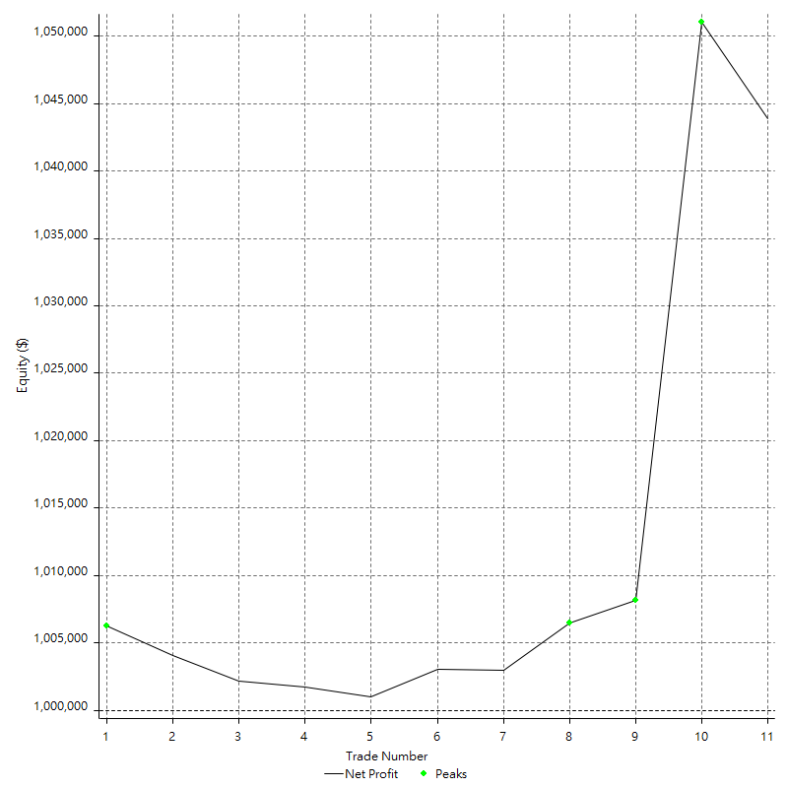

Equity Curve Close To Close With Drawdown

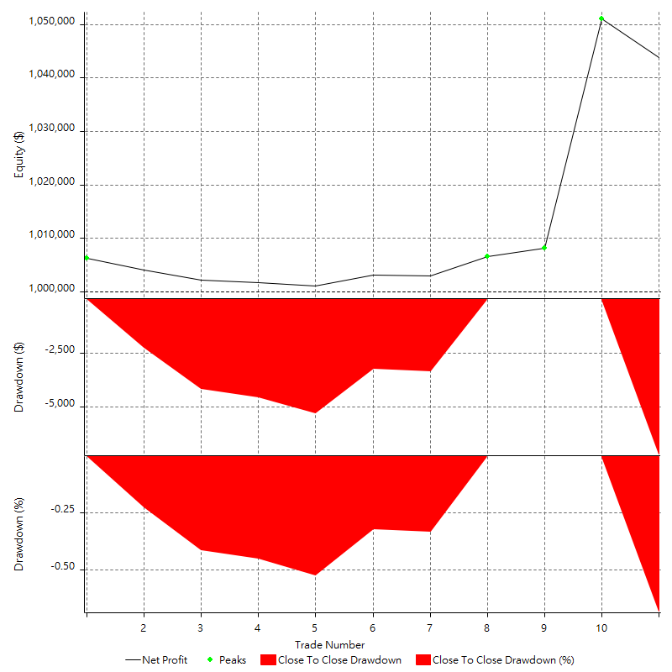

Buy & Hold Return

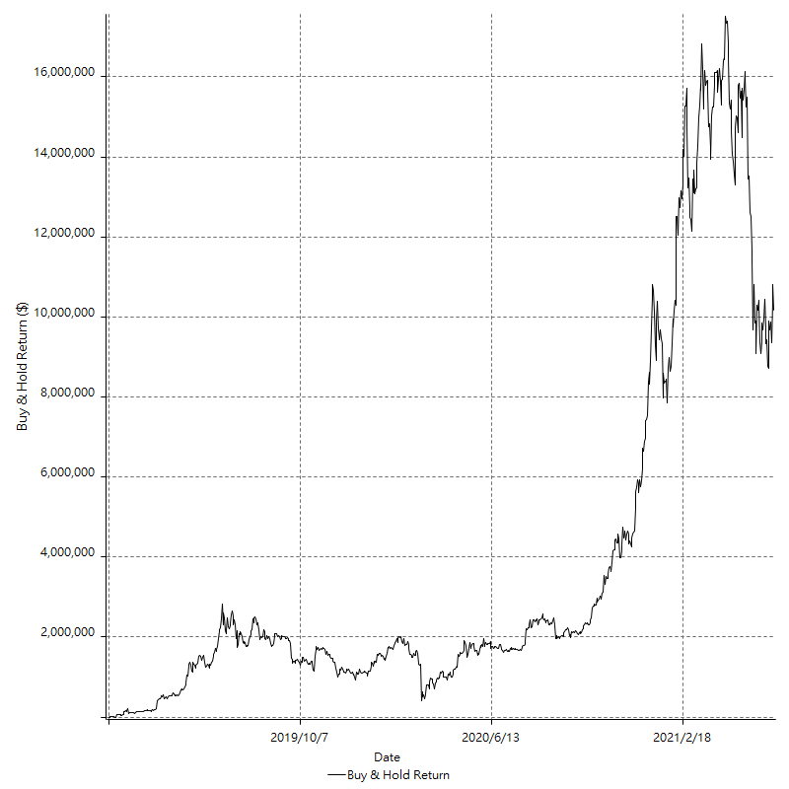

Value Added Monthly Index

Trade Analysis
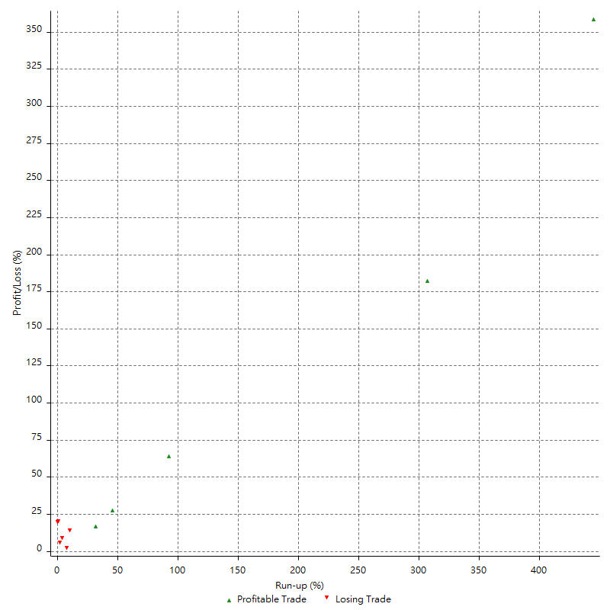
Total Trade Analysis

 | All Trades | Long Trades | Short Trades
Total # of Trades | 11 | 11 | 0
Total # of Open Trades | 1 | 1 | 0
Number Winning Trades | 5 | 5 | 0
Number Losing Trades | 6 | 6 | 0
% Profitable | 45.45% | 45.45% | 0.00%
Avg Trade (win & loss) | $3987.54 | $3987.54 | n/a
Average Winning Trade | $11279.10 | $11279.10 | n/a
Average Losing Trade | -$2088.76 | -$2088.76 | n/a
Ratio Avg Win / Avg Loss | 5.3999016991 | 5.3999016991 | n/a
Largest Winning Trade | 4284328.00% | 4284328.00% | n/a
Largest Losing Trade | -715233.14% | -715233.14% | n/a
Avg # Bars in Trades | 57.4 | 57.4 | n/a
Avg # Bars in Winning Trades | 112.6 | 112.6 | n/a
Avg # Bars in Losing Trades | 11.3 | 11.3 | n/a
Avg # Bars Between Trades | n/a | n/a | n/a
Avg # Bars Between Winning Trades | 71.2 | 71.2 | n/a
Avg # Bars Between Losing Trades | 141.8 | 141.8 | n/a

Outliers

 | Total | Positive | Negative
1 Std. Deviation of Avg. Trade | $13342.69 | $17738.21 | $2620.44
Avg. Trade +1 Std. Deviation | $17330.23 | $29017.31 | $531.68
Avg. Trade - 1 Std. Deviation | -$9355.15 | -$6459.12 | -$4709.20
Number of Outliers | 2 | 1 | 1
Outlier Profit/Loss | $35690.95 | $42843.28 | -$7152.33

Run-up/Drawdown

 | Run-up | Drawdown
Max Value | $52932.09 | -$7105.38
Max Value Date | 2021-04-15 | 2021-05-14
Avg Value | $7098.00 | -$1356.69
Max Value (%) | 444.43% | -19.71%
Max Value (%) Date | 2020-10-22 | 2019-09-25
Avg Value (%) | 79.64% | -7.30%
1 Std. Deviation | $14761.11 | $2040.58
Avg. Trade +1 Std. Deviation | $21859.11 | $683.89
Avg. Trade - 1 Std. Deviation | -$7663.11 | -$3397.27

Trade Series Analysis

Z-score | 0.029160592176
Confidence Limits | n/a
Strategy ME | $3987.54
Max Consec. Winners | 3
Max Consec. Losers | 4
Largest Consec. Profit | $48047.15
Largest Consec. Loss | -$7152.33
Largest Consec. Profit (%) | 4.79%
Largest Consec. Loss (%) | -0.68%

Trade Series Statistics

Consecutive Winners | Number of Series | Avg. Gain per Series | Avg. Loss Next Trade
1 | 2 | $4174.17 | -$1177.75
3 | 1 | $16015.72 | -$7152.33
Consecutive Losers | Number of Series | Avg. Loss per Series | Avg. Gain Next Trade
1 | 2 | -$3630.95 | $1761.43
4 | 1 | -$1317.67 | $2048.51

Total Trades

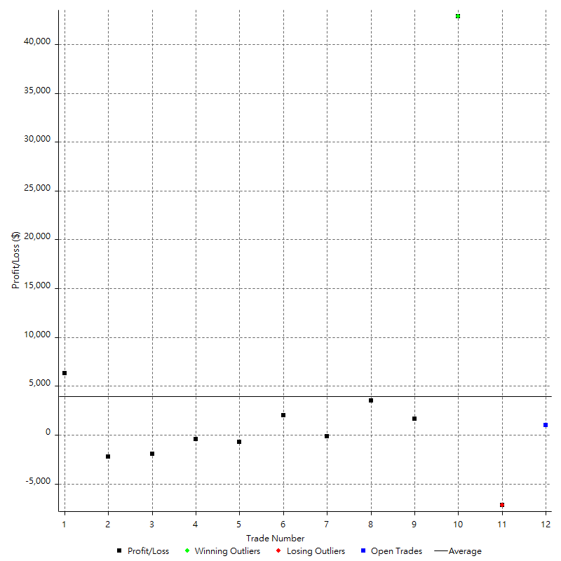

Winning Trades

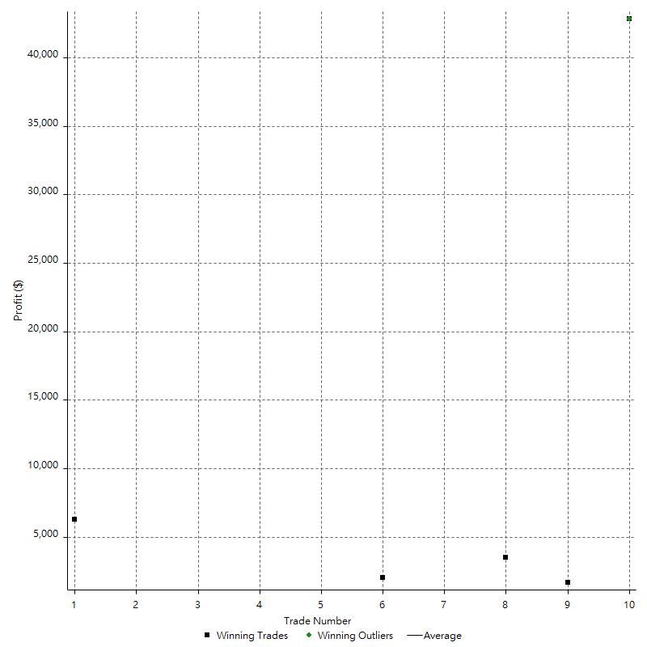

Losing Trades

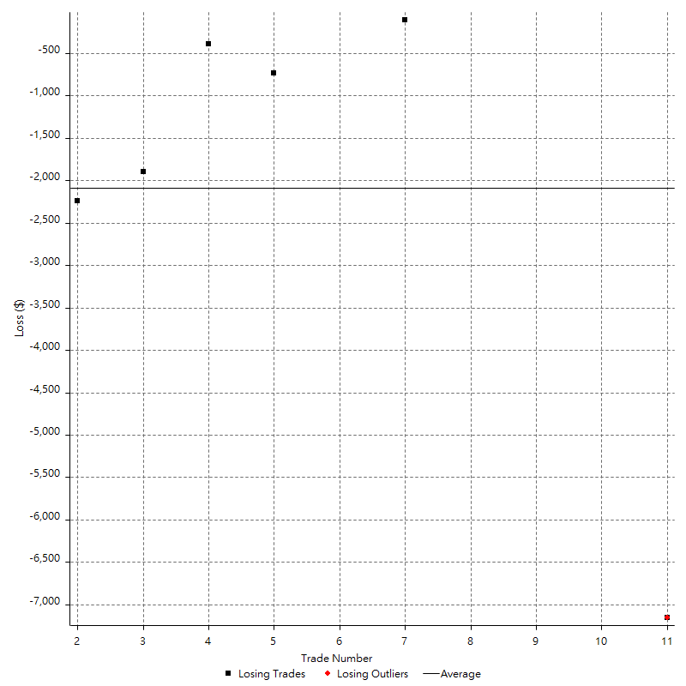

Drawdown

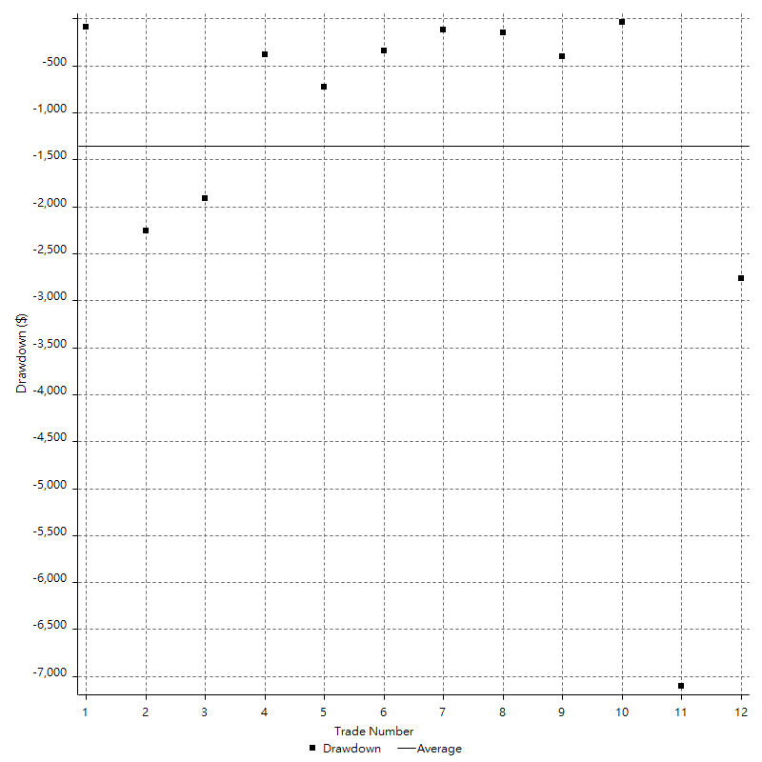

Drawdown P/L

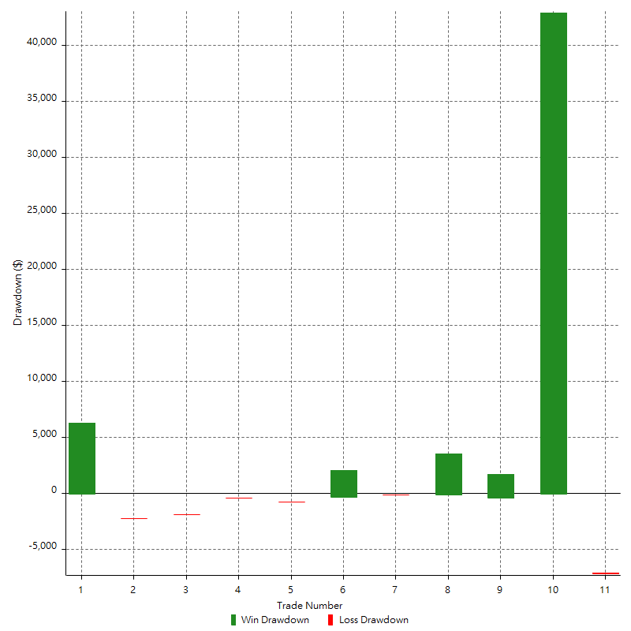

Maximum Adverse Excursion

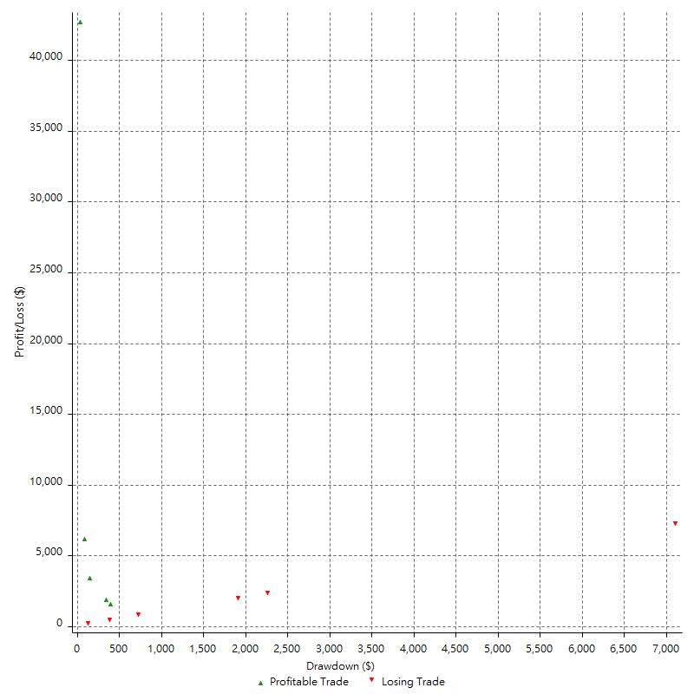

Maximum Adverse Excursion (%)

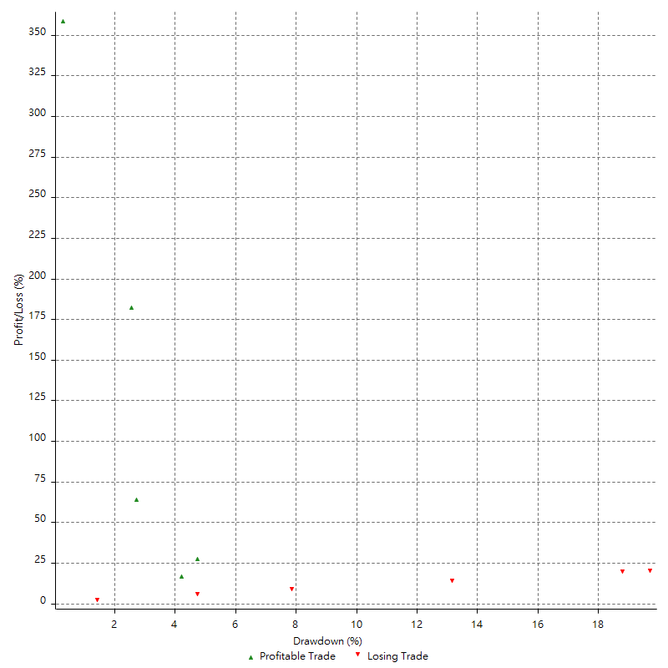

Run-up

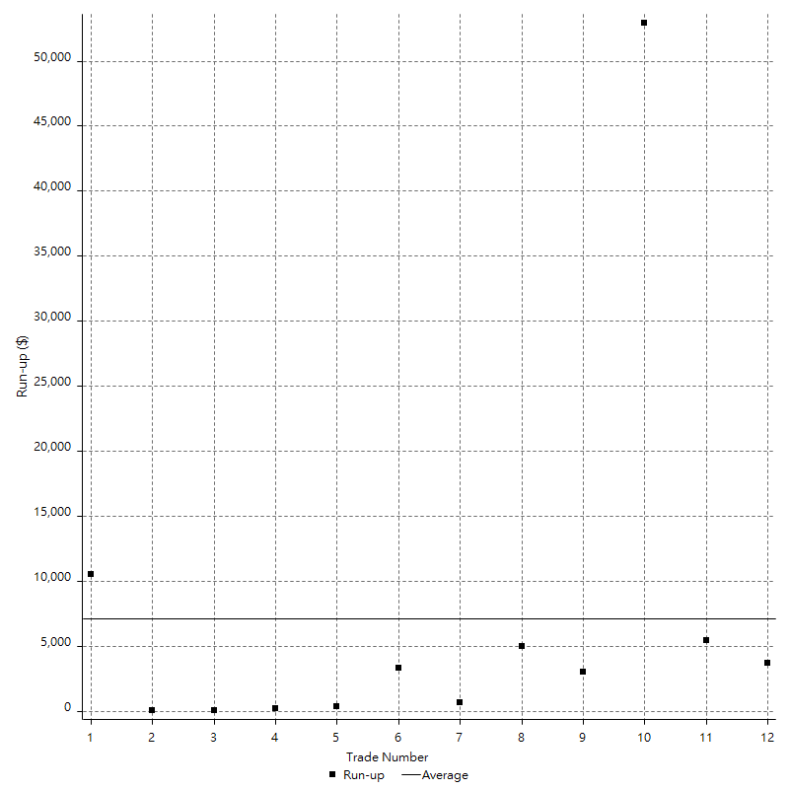

Run-up P/L

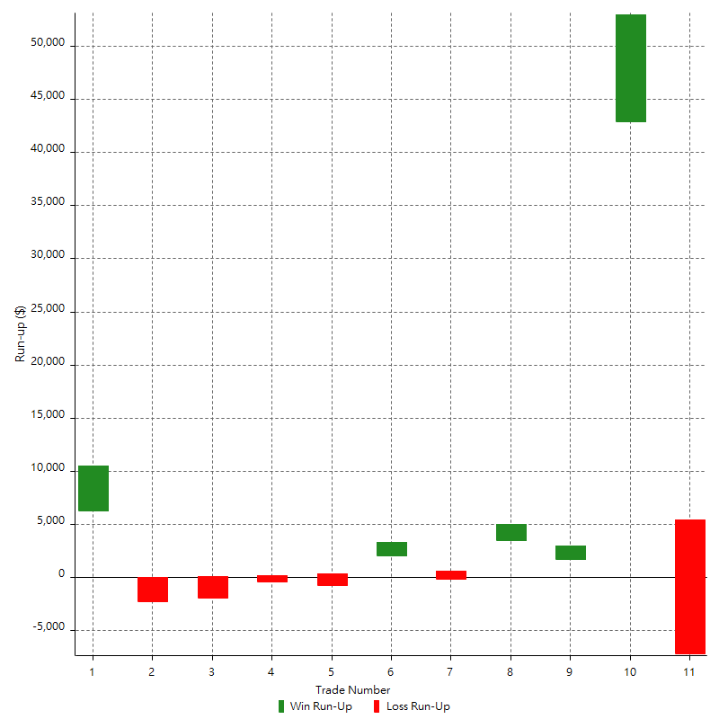

Maximum Favorable Excursion

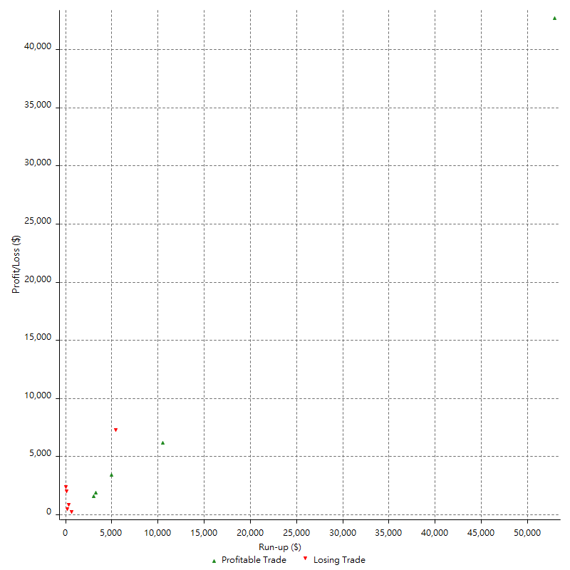

Maximum Favorable Excursion (%)

Periodical Analysis
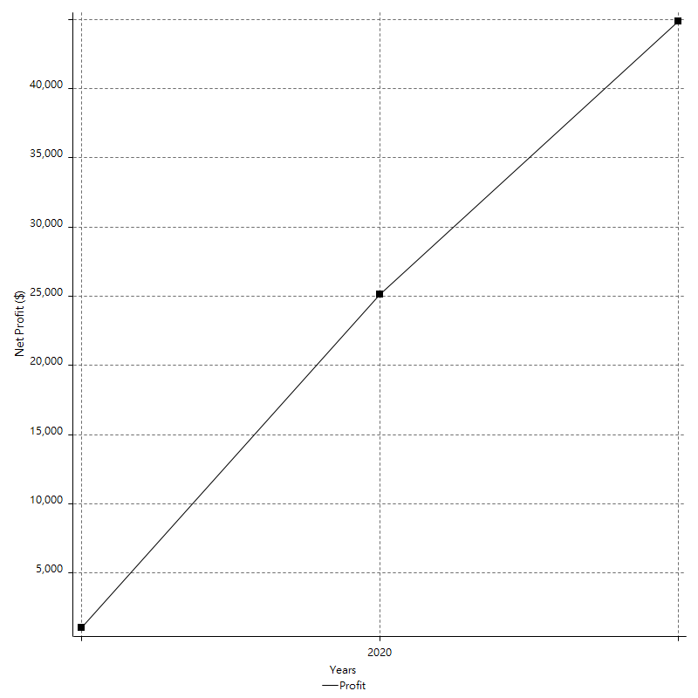
Hourly Period Analysis

Export cancelled by user

Hourly Rolling Period Analysis

Export cancelled by user

Daily Period Analysis

Export cancelled by user

Daily Rolling Period Analysis

Export cancelled by user

Weekly Rolling Period Analysis

Export cancelled by user

Weekly Period Analysis

Export cancelled by user

Monthly Analysis

Export cancelled by user

Monthly Period Analysis

Export cancelled by user

Monthly Rolling Period Analysis

Export cancelled by user

Annual Period Analysis

Period | Profit ($) | Profit (%) | Gross Profit | Gross Loss | # Trades | % Profitable
2021 | $19717.02 | 1.92% | $26869.35 | -$7152.33 | 3 | 66.67%
2020 | $24062.67 | 2.40% | $24172.23 | -$109.56 | 5 | 80.00%
2019 | $1062.94 | 0.11% | $6333.60 | -$5270.66 | 6 | 33.33%

Annual Rolling Period Analysis

Export cancelled by user

Hourly Returns & Drawdowns

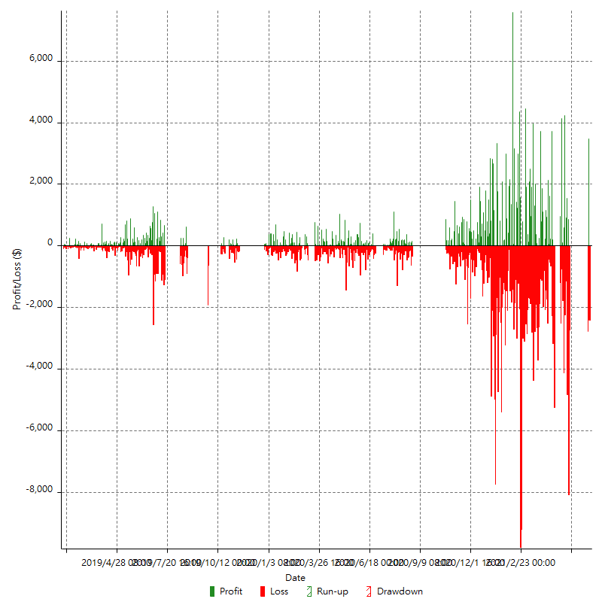

Hourly Returns & Drawdowns (%)

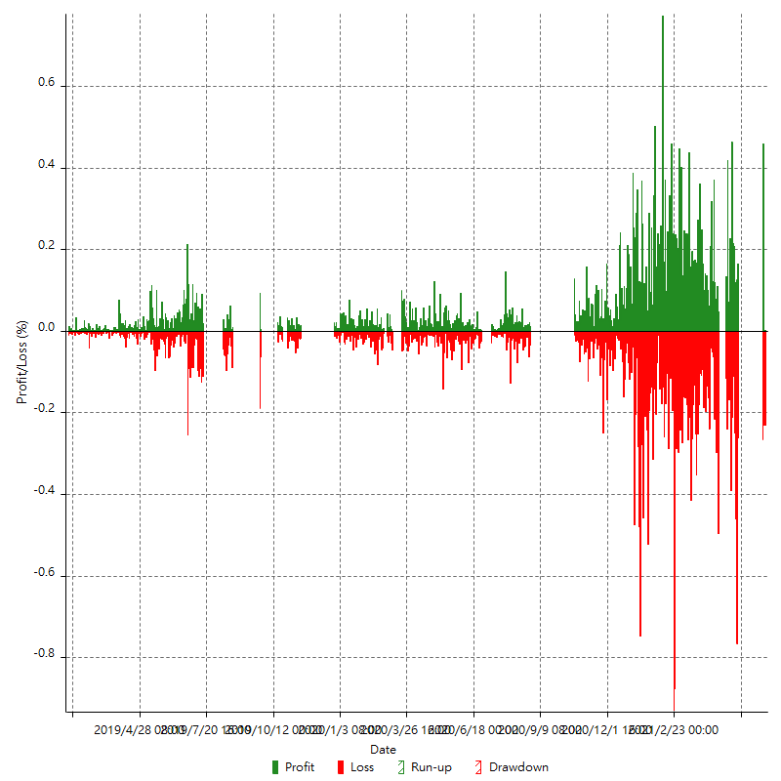

Hourly Accumulative Net Profit

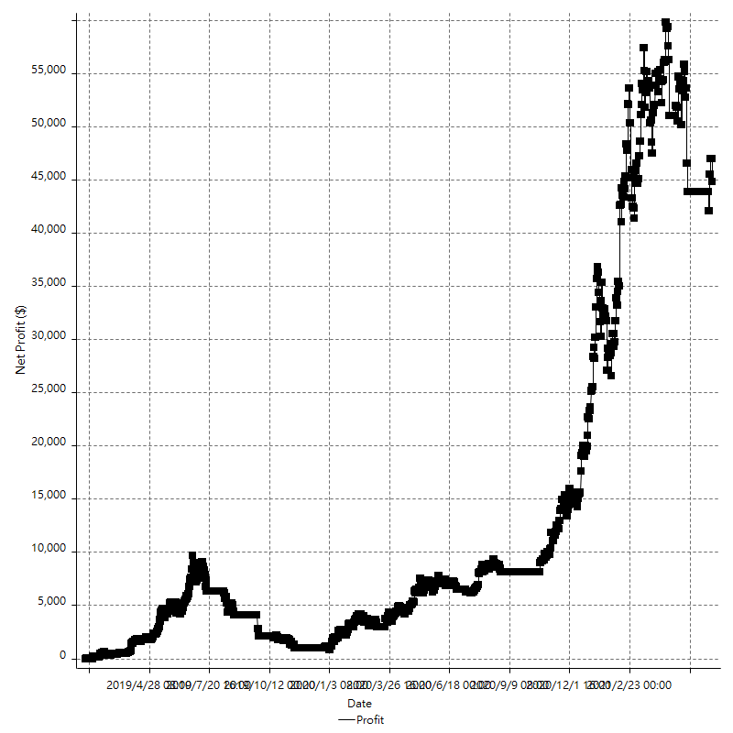

Daily Returns & Drawdowns

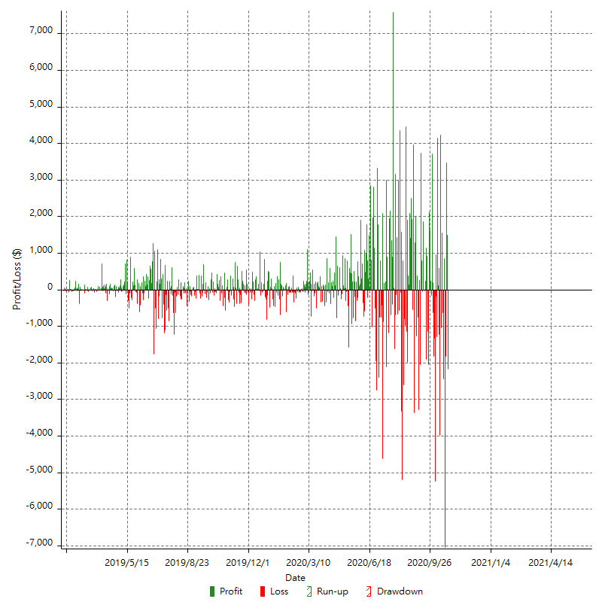

Daily Returns & Drawdowns (%)

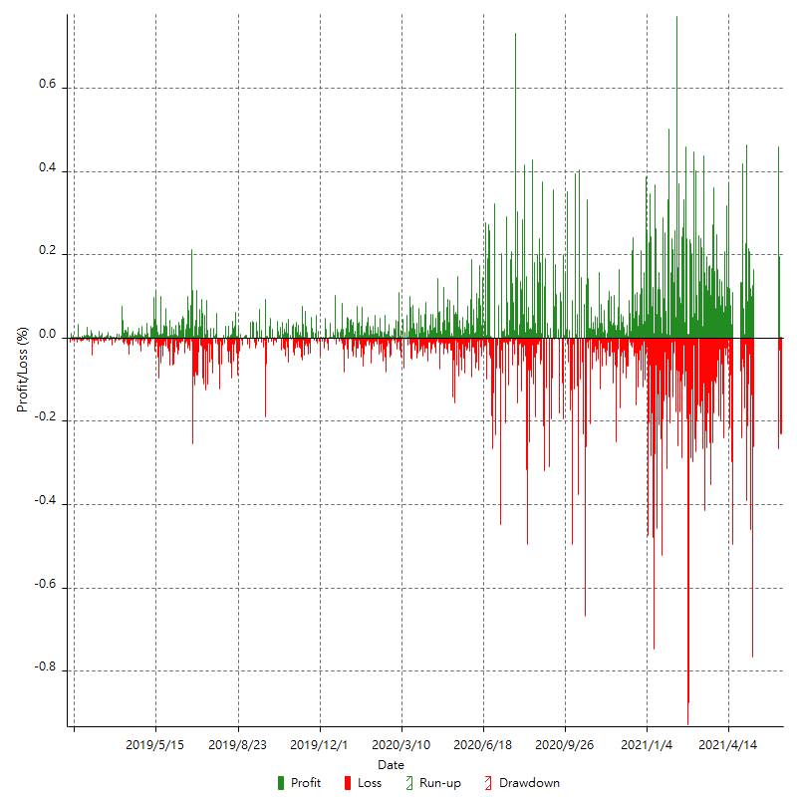

Daily Accumulative Net Profit

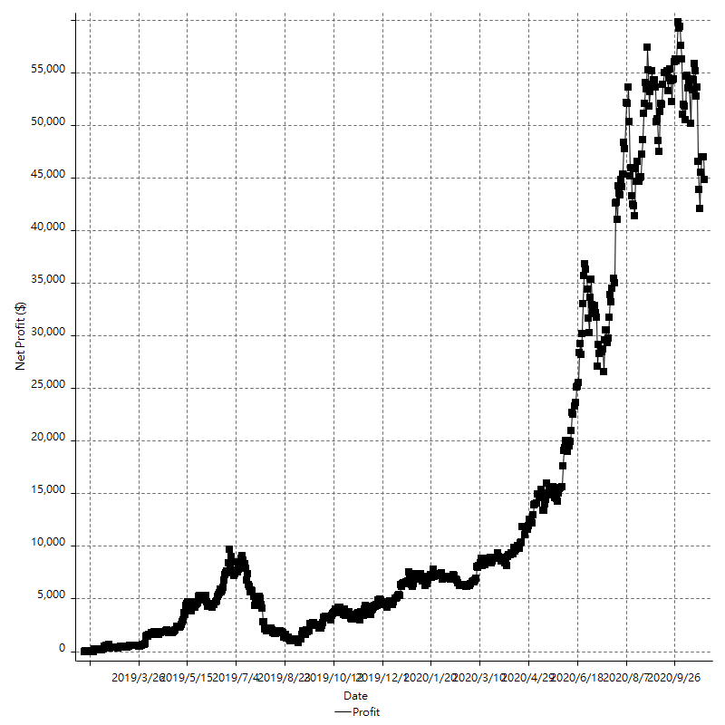

Weekly Returns & Drawdowns

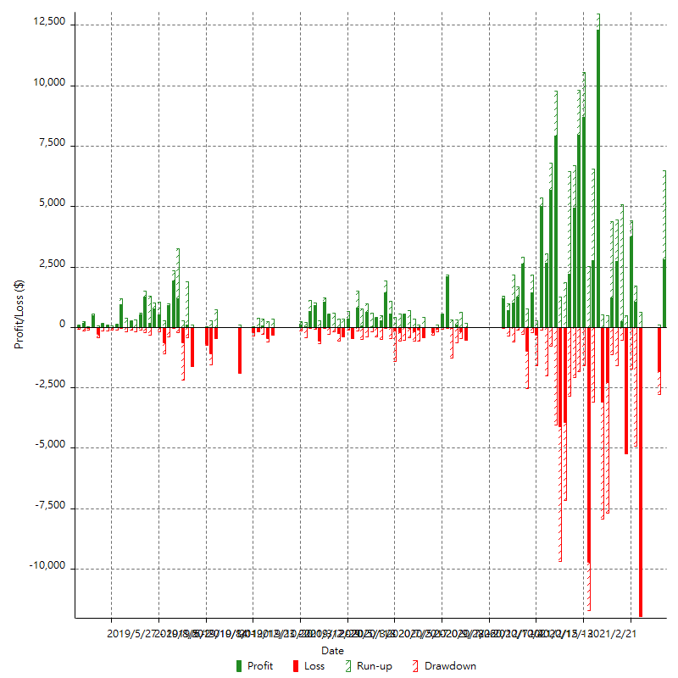

Weekly Returns & Drawdowns (%)

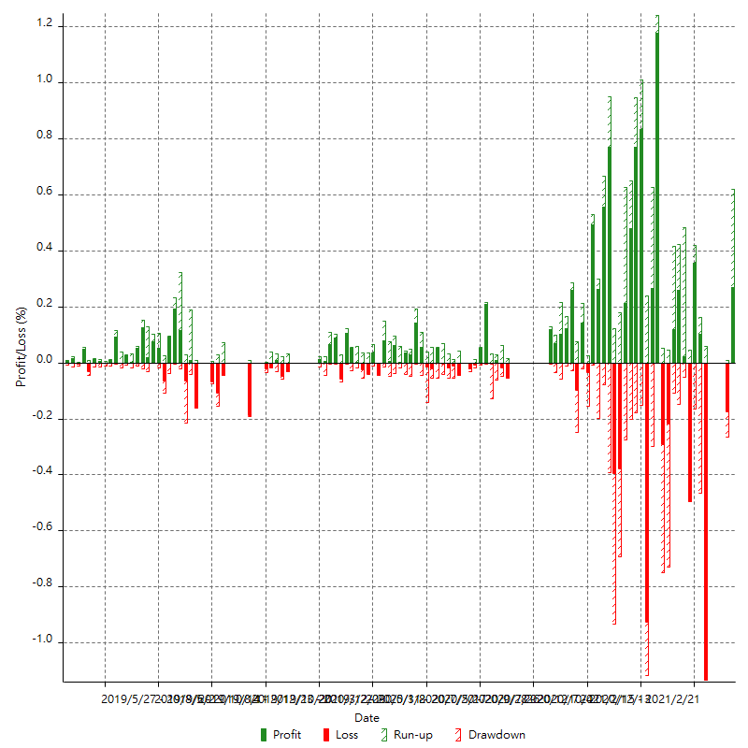

Weekly Accumulative Net Profit

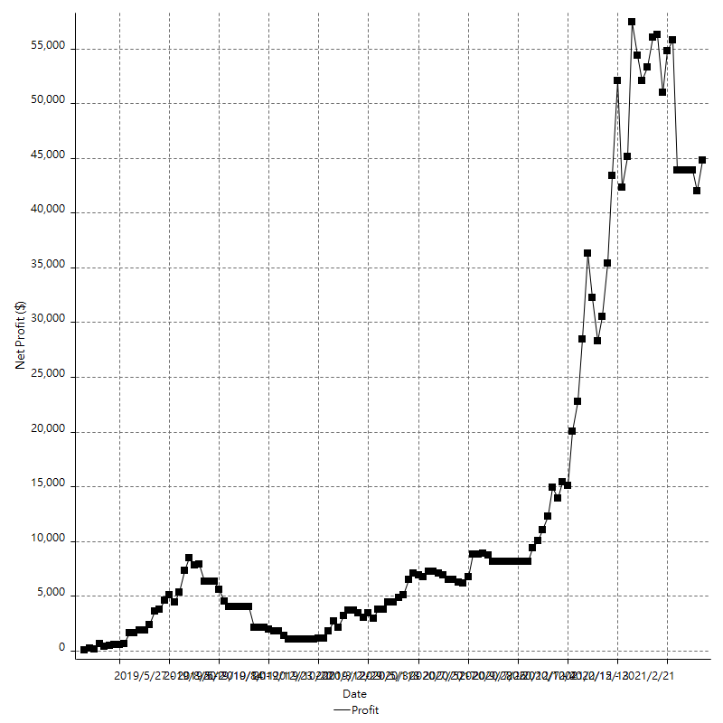

Monthly Returns & Drawdowns

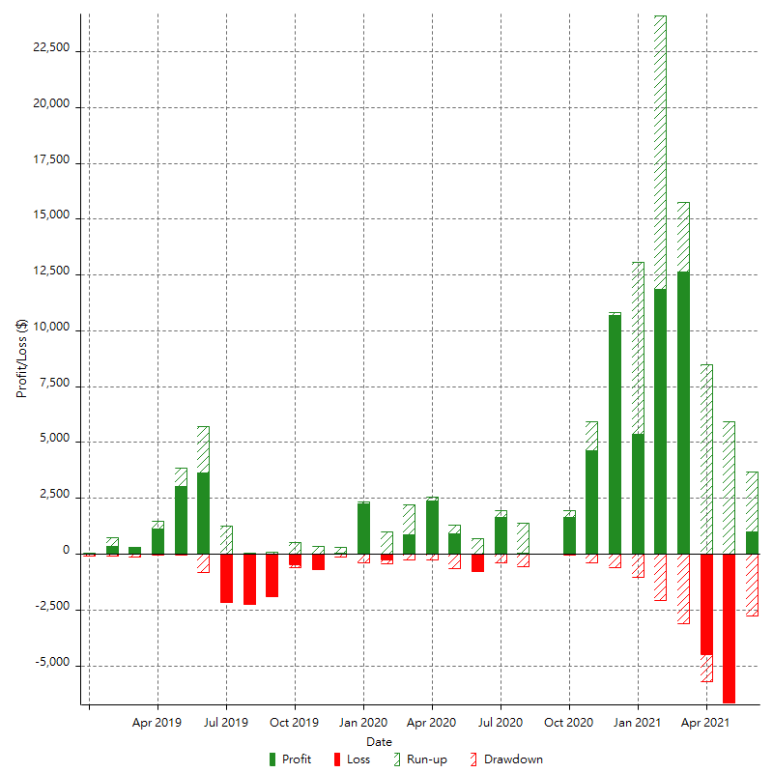

Monthly Returns & Drawdowns (%)

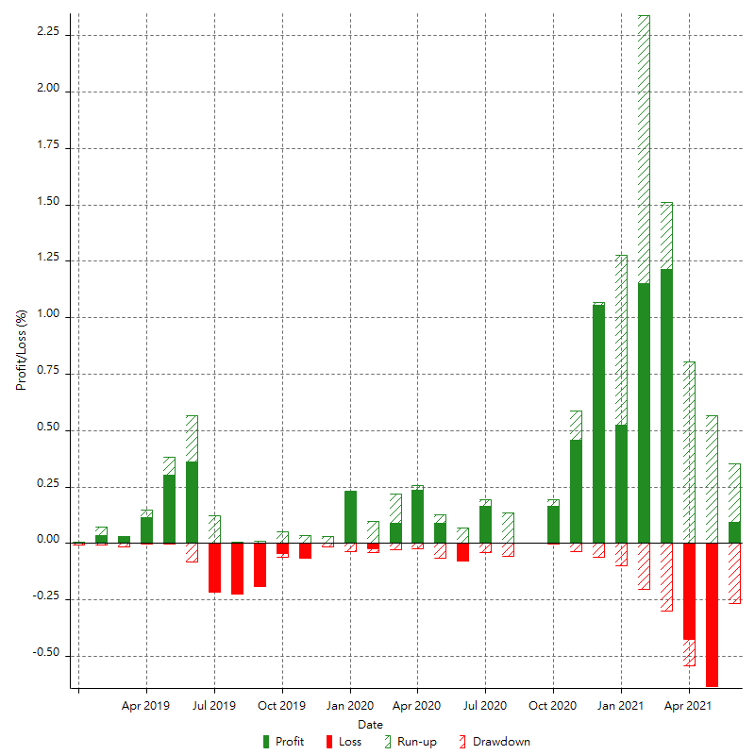

Monthly Accumulative Net Profit

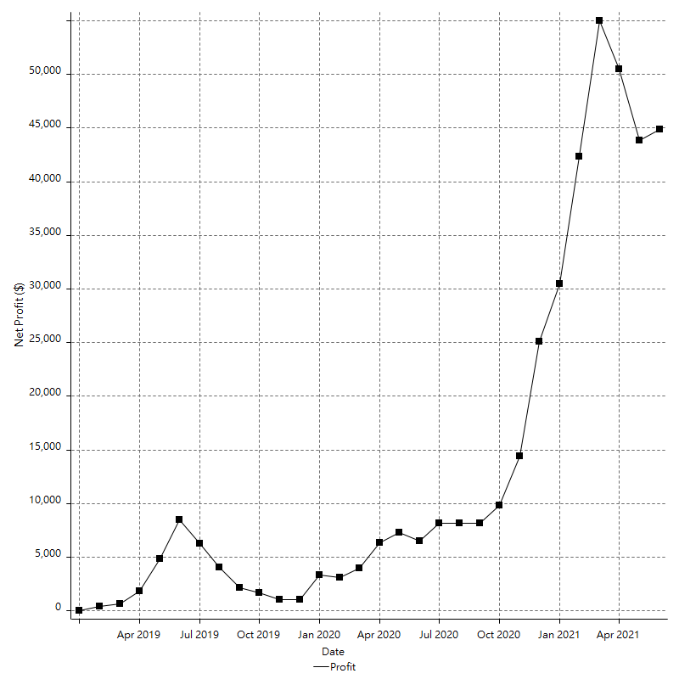

Average Profit By Month

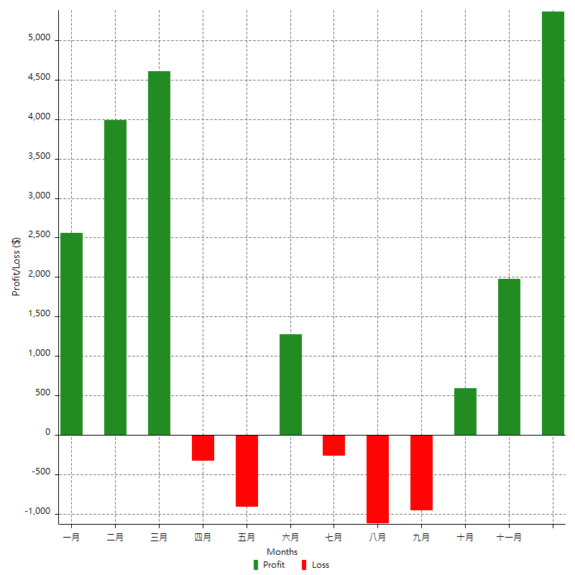

Annual Returns & Drawdowns

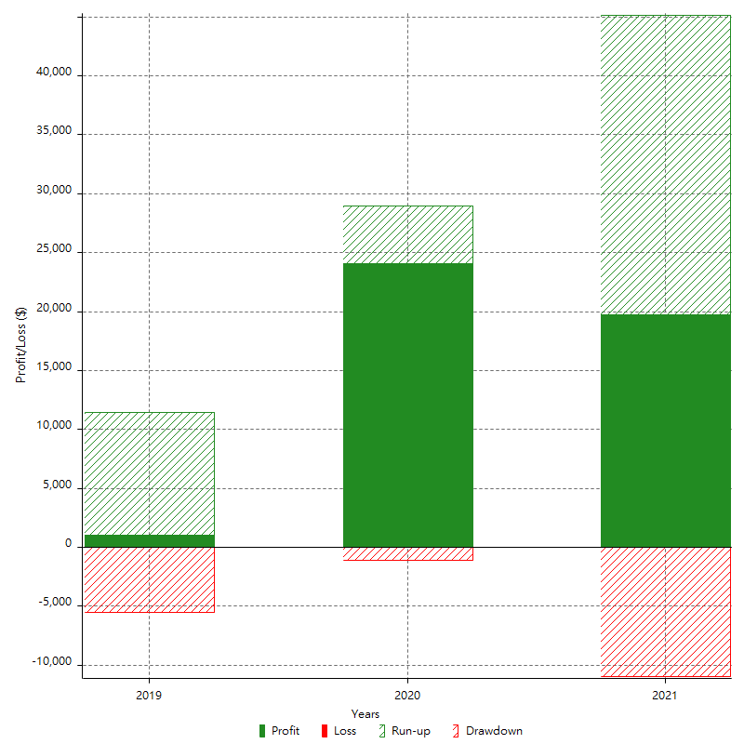

Annual Returns & Drawdowns (%)

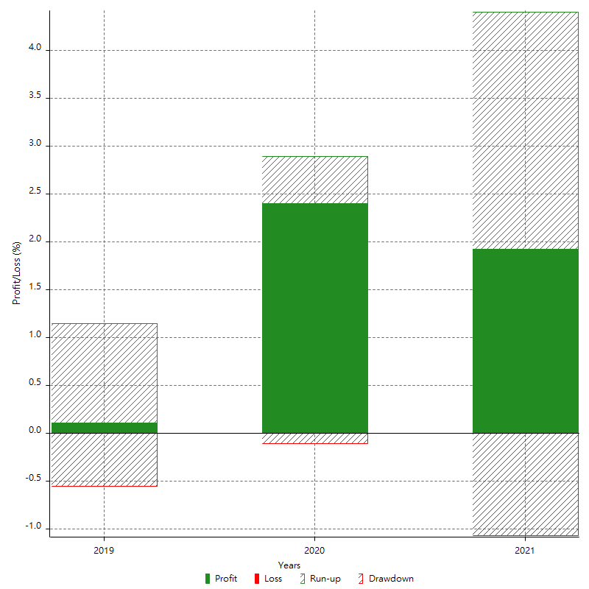

Annual Accumulative Net Profit

